Density Altitude
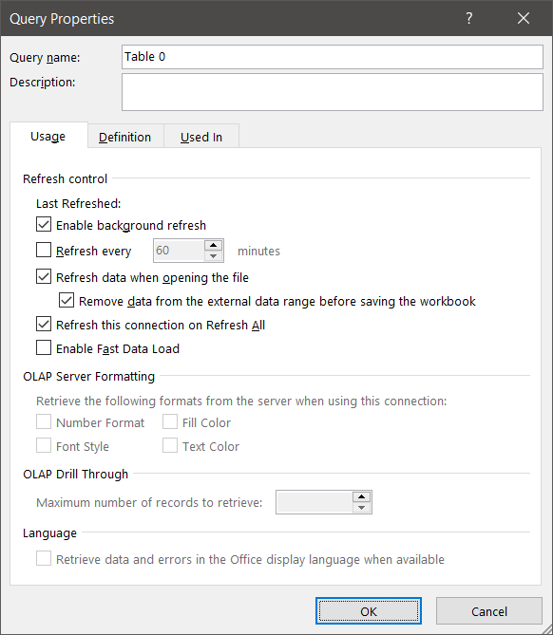

Temperature | 22.8
Dewpoint | 20.0
Pressure | 1014.6
e | 23.340673696
Tv | 298.55618962

Density Altitude | 1178

 |  | Source: | https://aviationweather.gov/cgi-bin/data/metar.php?ids=KSGR&hours=0&order=id%2C-obs&sep=true&taf=true&format=html
 |  | Validation: | https://www.weather.gov/epz/wxcalc_densityaltitude

